2016
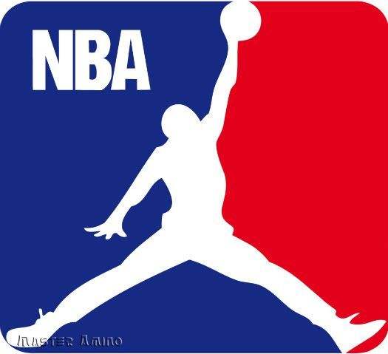
Award | Joel |  | Tyler "Non Donkey" Frohlick |  | Correct
MVP | Lebron James |  | James Harden |  | Russel Westbrook
ROY | Brandon Ingram |  | Buddy Heild |  | Malcolm Brogdon
DPOY | Hassan Whiteside |  | Rudy Gobert |  | Draymond Green
6 man of the year | Andre Iguodala |  | Brandon Jennings |  | Eric Gordon
NBA Champion | Golden State Warriors |  | Cleveland Cavaliers |  | Golden State Warriors
Coach of Year | Ty Lue |  | Nate Mcmillion |  | Mike D'Antiono
First Coach Fired | Alvin Gentry |  | Jason Kidd |  | Missing
Most Wins | Golden State Warriors | 1 | Golden State Warriors | 1 | Golden State Warriors
Total |  | 1 |  | 1

Bonus
Raptor Wins | 50 |  | 52 |  | 51
New Bonus
A) Warriors Losses in playoffs | 3 |  | 3
B) Game 1 Raps vs Cavs score | Raps 88 – Cavs 101 |  | Raps 107 – Cavs – 103 |  | 84-115
 | 4 |  | 23
 | 14 |  | 12
 | 18 |  | 35
Rules:
Each correct pick gets 1 point
Most points wins
Tiebreaker goes to Bonus Question
Winner gets free lunch
Now new tiebreaker A) if still tie B)

